Front
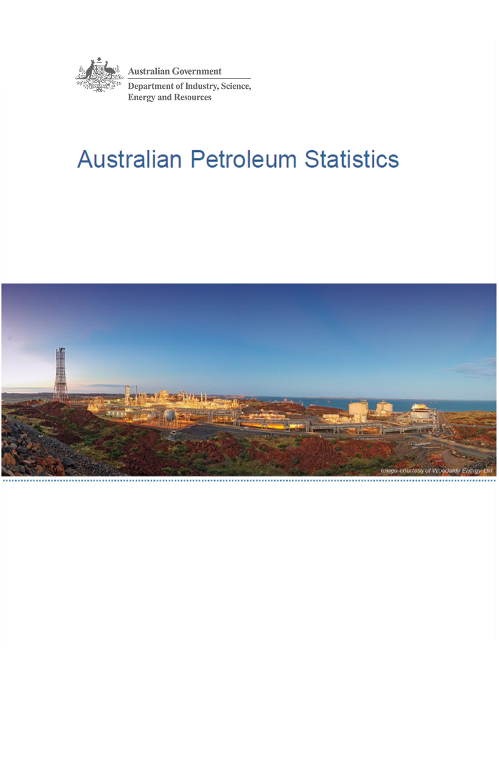

Issue 286, May 2020

https://www.energy.gov.au/government-priorities/energy-data/australian-petroleum-statistics

Figure 8B
Australian Petroleum Statistics

Figure 8B. Comparison of retail fuel prices and taxes in OECD countries - December Quarter 2019

Premium unleaded petrol
United States | 94 | 23
Canada | 99 | 49
Chile | 84 | 77
Australia | 107 | 57
Turkey | 89 | 87
Poland | 88 | 98
Hungary | 88 | 100
Lithuania | 91 | 105
Austria | 88 | 113
Czech Republic | 86 | 116
Latvia | 91 | 115
Slovenia | 83 | 126
Spain | 98 | 113
Luxembourg | 105 | 107
Slovak Republic | 97 | 120
Estonia | 92 | 128
New Zealand | 118 | 102
Korea | 109 | 118
Ireland | 86 | 144
Germany | 87 | 143
Switzerland | 105 | 129
United Kingdom | 88 | 149
Belgium | 99 | 139
Sweden | 91 | 148
Portugal | 92 | 149
France | 93 | 152
Finland | 86 | 162
Norway | 101 | 152
Denmark | 103 | 152
Italy | 92 | 164
Greece | 93 | 164
Israel | 101 | 162
Netherlands | 94 | 173
Regular unleaded petrol
United States | 78 | 23
Canada | 85 | 47
Australia | 95 | 55
Chile | 81 | 74
Korea | 82 | 110
Japan | 104 | 94
Austria | 88 | 113
New Zealand | 103 | 99
Automotive diesel
United States | 95 | 23
Chile | 87 | 31
New Zealand | 112 | 22
Canada | 100 | 41
Australia | 93 | 55
Turkey | 94 | 71
Japan | 113 | 59
Korea | 91 | 81
Luxembourg | 97 | 84
Lithuania | 97 | 89
Poland | 98 | 91
Latvia | 97 | 97
Austria | 97 | 99
Spain | 102 | 96
Hungary | 102 | 97
Czech Republic | 97 | 104
Slovak Republic | 108 | 94
Slovenia | 91 | 113
Germany | 99 | 110
Ireland | 92 | 123
Estonia | 102 | 117
Netherlands | 104 | 118
Portugal | 102 | 120
Greece | 113 | 110
Denmark | 109 | 114
Finland | 99 | 131
France | 95 | 138
Italy | 95 | 143
Norway | 110 | 129
Sweden | 122 | 118
United Kingdom | 96 | 151
Belgium | 107 | 141
Switzerland | 122 | 134
Israel | 114 | 164
Automotive LPG
Australia | 51 | 20
Slovak Republic | 43 | 28
Luxembourg | 66 | 15
Poland | 48 | 33
Belgium | 71 | 15
Czech Republic | 58 | 29
Lithuania | 47 | 42
Latvia | 52 | 39
Slovenia | 58 | 36
Germany | 65 | 31
Canada | 81 | 18
Estonia | 52 | 47
Italy | 57 | 42
Portugal | 56 | 44
Korea | 63 | 37
Netherlands | 53 | 49
Hungary | 74 | 42
Spain | 91 | 26
Japan | 101 | 22
Turkey | 89 | 46
France | 97 | 42

